Bug Report
NO. | BUG REPORT ID | SUMMARY | STEP TO REPRODUCE | ACTUAL RESULT | EXPECTED RESULT | SEVERITY | PRIORITY | ATTACHMENT
TC-12 | BUG-01 | Product 1 description is wrong for standard user | Login using username standard_user and password secret_sauce | Incorrect Product 1 description and Product 6 | Product 1 and Product 6 should display correct name and description | MINOR | LOW | 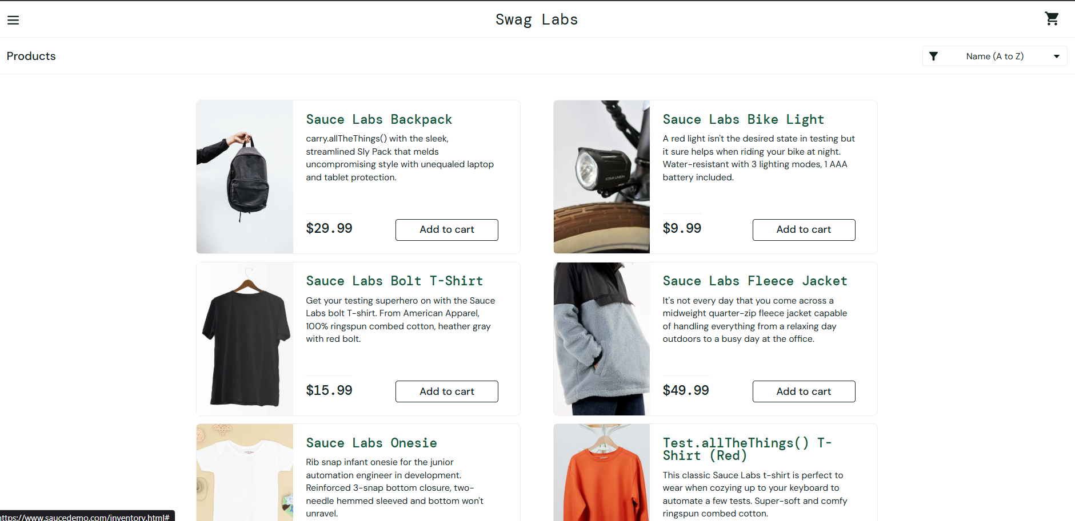
 |  | Product 6 name is wrong for standard user | Go to product page, Observe Product 1 and Product 6 details
TC-31 | BUG-02 | Checkout process allows proceeding without items in cart | Login to Swag Labs | User successfully navigates to next page | User should be blocked from proceeding and shown an error message | MAJOR | HIGH | 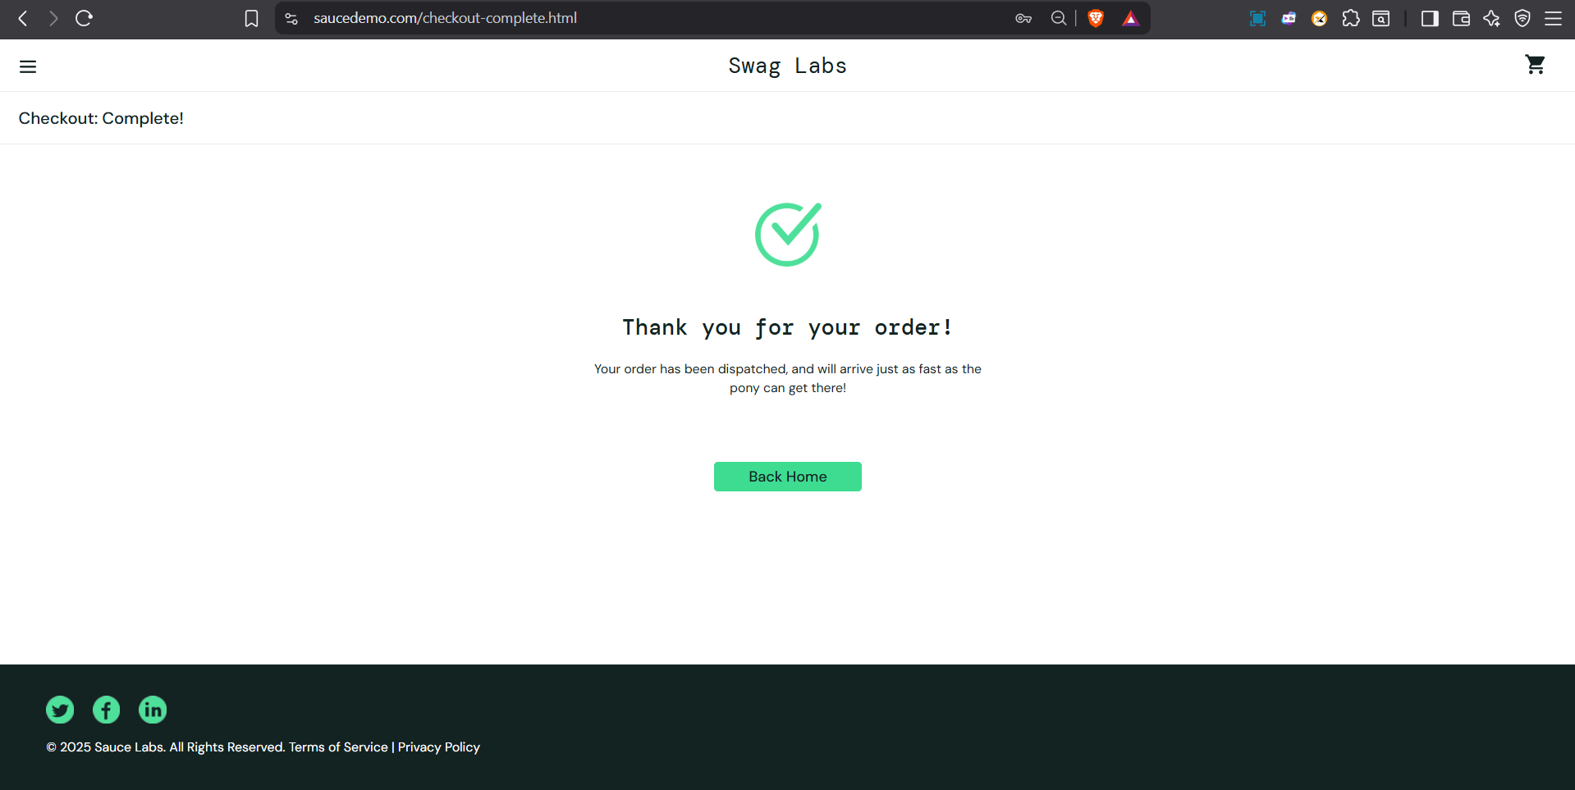
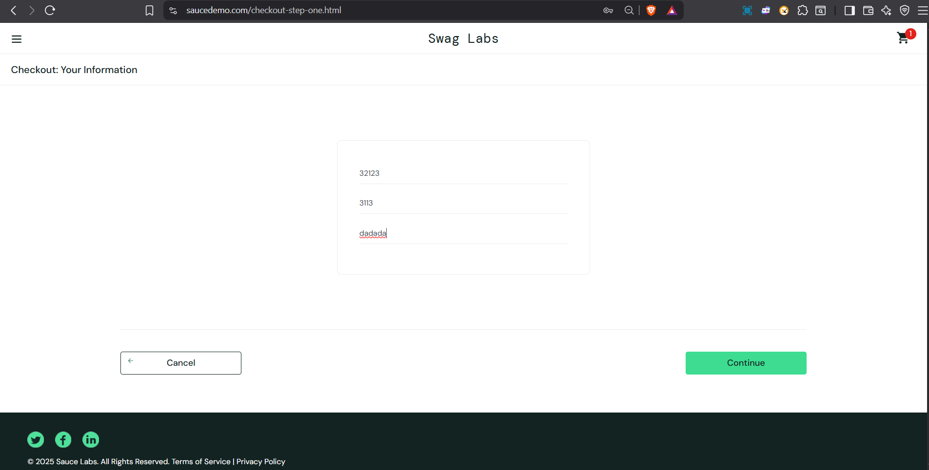
 |  |  | Go to Cart page without adding any items, Click Checkout
TC-32 | BUG-03 | Invalid data in checkout form allows proceeding to next step | Login to Swag Labs, Go to Checkout – Your Information page | User successfully navigates to Checkout – Overview page | User should not be able to proceed; validation error should appear | MAJOR | HIGH
 |  |  | Enter invalid data (numbers in First/Last Name, letters in Postal Code) then Click Continue
TC-36 | BUG-04 | User can return to Checkout – Overview after completing order | Complete the checkout process, Verify “Thank you for your order” message | User is able to return to Checkout – Overview page | User should not be able to return after completing checkout | MINOR | 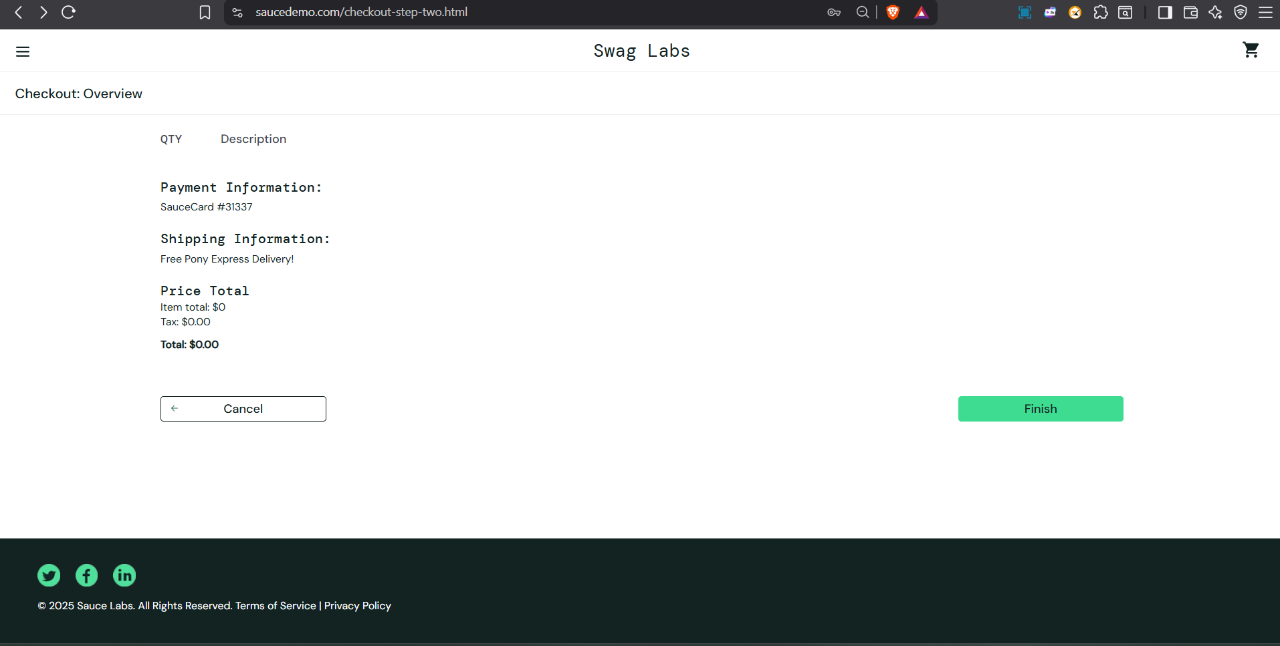 LOW
 |  |  | Try to navigate back to previous page (Checkout – Overview)

